Weapon Math 2023
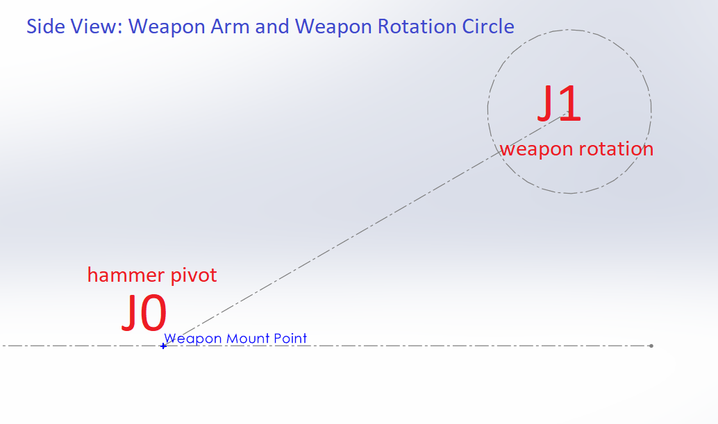
Key: | Term | Description | Requirements
 | J0 | J0 is the hammer pivot joint | Needs to move quickly and have precise positional control over 180deg
 | J1 | J1 is the weapon rotation | Continual Fast rotation On and off

